Sheet1
ERPA Energy Level Calculation Results |  |  |  |  | *Coulomb threshold is 10^-12 C
 |  |  |  |  | *Plot of expected counts at certain energies 3 eV - 1 keV
 | Integrated to 150 eV |  | Integrated to 1000 eV |  | *Each measurement is taken over 100 ms
Energy Level (eV) | Charge (C) | Current (A) | Charge (C) | Current (A)
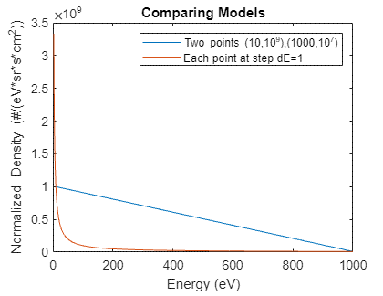
3 | 1.113 E -8 | 1.113 E -7 | 4.11 E -8 | 4.11 E -7
10 | 1.056 E -8 | 1.056 E -7 | 4.053 E -8 | 4.053 E -7
15 | 1.015 E -8 | 1.015 E -7 | 4.013 E -8 | 4.013 E -7
20 | 9.75 E -9 | 9.75 E -8 | 3.973 E -8 | 3.973 E -7
25 | 9.35 E -9 | 9.35 E -8 | 3.933 E -8 | 3.933 E -7
30 | 8.95 E -9 | 8.95 E -8 | 3.893 E -8 | 3.893 E -7
40 | 8.16 E -9 | 8.16 E -8 | 3.814 E -8 | 3.814 E -7
45 | 7.77 E -9 | 7.77 E -8 | 3.774 E -8 | 3.774 E -7
50 | 7.38 E -9 | 7.38 E -8 | 3.735 E -8 | 3.735 E -7
60 | 6.6 E -9 | 6.6 E -8 | 3.658 E -8 | 3.658 E -7
75 | 5.46 E -9 | 5.46 E -8 | 3.543 E -8 | 3.543 E -7
80 | 5.08 E -9 | 5.08 E -8 | 3.506 E -8 | 3.506 E -7
90 | 4.33 E -9 | 4.33 E -8 | 3.431 E -8 | 3.431 E -7
100 | 3.59 E -9 | 3.59 E -8 | 3.356 E -8 | 3.356 E -7
105 | 3.22 E -9 | 3.22 E -8 | 3.320 E -8 | 3.320 E -7
120 | 2.13 E -9 | 2.13 E -8 | 3.21 E -8 | 3.21 E -7
125 | 1.77 E -9 | 1.77 E -8 | 3.175 E -8 | 3.175 E -7
140 | 7.0 E -10 | 7.0 E -9 | 3.036 E -8 | 3.036 E -7
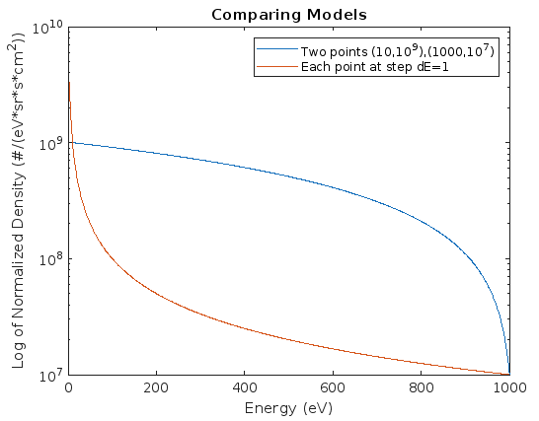
5/10 Update
Normalized 10^10 by each energy level (with dE of 1 eV) - assumes that 3-1000 eV shares 10^10
 | Integrated to 150 eV |  | Integrated to 1000 eV
Energy Level (eV) | Charge (C) | Current (A) | Charge (C) | Current (A)
3 | 3.286 E -9 | 3.286 E -8 | 3.630 E -9 | 3.630 E -8
10 | 2.272 E -9 | 2.272 E -8 | 2.617 E -9 | 2.617 E -8
15 | 1.970 E -9 | 1.970 E -8 | 2.315 E -9 | 2.315 E -8
20 | 1.773 E -9 | 1.773 E -8 | 2.118 E -9 | 2.118 E -8
25 | 1.617 E -9 | 1.617 E -8 | 1.962 E -9 | 1.962 E -8
30 | 1.481 E -9 | 1.481 E -8 | 1.826 E -9 | 1.826 E -8
40 | 1.242 E -9 | 1.242 E -8 | 1.587 E -9 | 1.587 E -8
45 | 1.136 E -9 | 1.136 E -8 | 1.480 E -9 | 1.480 E -8
50 | 1.036 E -9 | 1.036 E -8 | 1.381 E -9 | 1.381 E -8
60 | 8.57 E -10 | 8.57 E -9 | 1.202 E -9 | 1.202 E -8
75 | 6.31 E -10 | 6.31 E -9 | 9.76 E -10 | 9.76 E -9
80 | 5.66 E -10 | 5.66 E -9 | 9.11 E -10 | 9.11 E -9
90 | 4.48 E -10 | 4.48 E -9 | 7.93 E -10 | 7.93 E -9
100 | 3.45 E -10 | 3.45 E -9 | 6.90 E -10 | 6.90 E -9
105 | 2.99 E -10 | 2.99 E -9 | 6.44 E -10 | 6.44 E -9
120 | 1.78 E -10 | 1.78 E -9 | 5.23 E -10 | 5.23 E -9
125 | 1.43 E -10 | 1.43 E -9 | 4.88 E -10 | 4.88 E -9
140 | 5.1 E -11 | 5.1 E -10 | 3.96 E -10 | 3.96 E -9

6/7 Update | Using the CREX-2 data
 | Integrated to 150 eV |  | Integrated to 1000 eV
Energy Level (eV) | Charge (C) | Current (A) | Charge (C) | Current (A)
25 | 2.968 E -10 | 2.968 E -9 | 2.315 E -9 | 2.315 E -8
30 | 2.850 E -10 | 2.850 E -9 | 2.303 E -9 | 2.303 E -8
40 | 2.612 E -10 | 2.612 E -9 | 2.280 E -9 | 2.280 E -8
45 | 2.493 E -10 | 2.493 E -9 | 2.268 E -9 | 2.268 E -8
50 | 2.375 E -10 | 2.375 E -9 | 2.256 E -9 | 2.256 E -8
60 | 2.137 E -10 | 2.137 E -9 | 2.232 E -9 | 2.232 E -8
75 | 1.781 E -10 | 1.781 E -9 | 2.197 E -9 | 2.197 E -8
80 | 1.662 E -10 | 1.662 E -9 | 2.185 E -9 | 2.185 E -8
90 | 1.425 E -10 | 1.425 E -9 | 2.161 E -9 | 2.161 E -8
100 | 1.187 E -10 | 1.187 E -9 | 2.137 E -9 | 2.137 E -8
105 | 1.069 E -10 | 1.069 E -9 | 2.125 E -9 | 2.125 E -8
120 | 7.12 E -11 | 7.12 E -10 | 2.090 E -9 | 2.090 E -8
125 | 5.94 E -11 | 5.94 E -10 | 2.078 E -9 | 2.078 E -8
140 | 2.37 E -11 | 2.37 E -10 | 2.042 E -9 | 2.042 E -8

